RECOIL
RECOIL DATA SPECIFICATIONS

DOUBLE FOOT GUIDES
SKU | Size | Wire Guage (Inches) | Loop Dia. I.D. (Inches) | Loop Dia. O.D. (Inches) | Height from CL of Loop off Blank (Inches) | Height from Top of Loop off Blank (Inches) | Pitch (Inches) Start of Loop to Finish of Loop | Foot to Foot Overall Length (Inches) | Foot Swage Length (Inches) | Foot Preparation
RSN | 2/0 | 0.018 | 0.170 | N/A | N/A | N/A | 0.33 | 0.93 | 0.15 | Swage
RSN | 1/0 | 0.018 | 0.190 | N/A | N/A | N/A | 0.33 | 0.93 | 0.15 | Swage
RSN | 1 | 0.020 | 0.210 | N/A | N/A | N/A | 0.33 | 0.93 | 0.15 | Swage
RSN | 2 | 0.020 | 0.230 | N/A | N/A | N/A | 0.38 | 0.98 | 0.15 | Swage
RSN | 3 | 0.022 | 0.250 | N/A | N/A | N/A | 0.38 | 0.98 | 0.15 | Swage
RSN | 4 | 0.024 | 0.270 | N/A | N/A | N/A | 0.38 | 1.08 | 0.15 | Swage
RSN | 5 | 0.026 | 0.290 | N/A | N/A | N/A | 0.50 | 1.20 | 0.15 | Swage
RSN | 6 | 0.028 | 0.310 | N/A | N/A | N/A | 0.50 | 1.20 | 0.15 | Swage

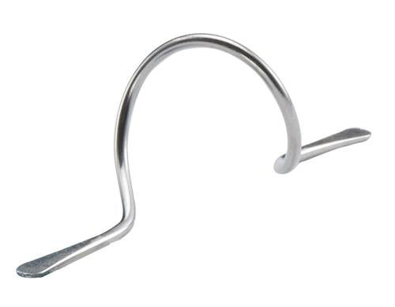
RSNX | 1/0 | 0.022 | 0.190 | N/A | N/A | N/A | 0.33 | 0.93 | 0.15 | Swage | "X" Suffix Designates 0.004" Larger Wire Diameter
RSNX | 1 | 0.024 | 0.210 | N/A | N/A | N/A | 0.33 | 0.93 | 0.15 | Swage
RSNX | 2 | 0.024 | 0.230 | N/A | N/A | N/A | 0.38 | 0.98 | 0.15 | Swage
RSNX | 3 | 0.026 | 0.250 | N/A | N/A | N/A | 0.38 | 0.98 | 0.15 | Swage
RSNX | 4 | 0.028 | 0.270 | N/A | N/A | N/A | 0.38 | 1.08 | 0.15 | Swage
RSNX | 5 | 0.030 | 0.290 | N/A | N/A | N/A | 0.50 | 1.20 | 0.15 | Swage
RSNX | 6 | 0.032 | 0.310 | N/A | N/A | N/A | 0.50 | 1.20 | 0.15 | Swage

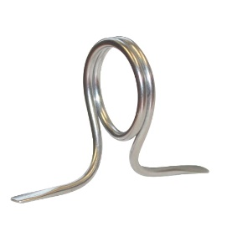
RSG | 6 | 0.030 | 0.180 | 0.24 | 0.17 | 0.29 | N/A | 0.60 | 0.15 | Swage
RSG | 7 | 0.035 | 0.220 | 0.29 | 0.21 | 0.35 | N/A | 0.66 | 0.20 | Swage
RSG | 8 | 0.040 | 0.280 | 0.36 | 0.28 | 0.45 | 0.31 | 0.79 | 0.22 | Swage
RSG | 10 | 0.045 | 0.320 | 0.41 | 0.35 | 0.55 | 0.35 | 0.91 | 0.22 | Swage
RSG | 12 | 0.045 | 0.390 | 0.48 | 0.39 | 0.63 | 0.39 | 1.03 | 0.26 | Swage
RSG | 16 | 0.055 | 0.470 | 0.58 | 0.54 | 0.83 | 0.47 | 1.26 | 0.32 | Swage
RSG | 20 | 0.060 | 0.630 | 0.75 | 0.65 | 1.02 | 0.71 | 1.65 | 0.35 | Swage
RSG | 25 | 0.060 | 0.830 | 0.95 | 0.79 | 1.26 | 0.87 | 2.03 | 0.44 | Swage

SINGLE FOOT GUIDES
SKU | Size | Wire Guage (Inches) | Loop Dia. I.D. (Inches) | Loop Dia. O.D. (Inches) | Height from CL of Loop off Blank (Inches) | Height from Top of Loop off Blank (Inches) | Pitch (Inches) Start of Loop to Finish of Loop | Overall Length (Inches) | Leg Length (Inches) | Foot Preparation
RSF | 1 | 0.020 | 0.187 | 0.23 | 0.09 | 0.24 | N/A | N/A | 0.25 | Swage
RSF | 2 | 0.020 | 0.235 | 0.27 | 0.12 | 0.29 | N/A | N/A | 0.25 | Swage
RSF | 3 | 0.022 | 0.250 | 0.29 | 0.13 | 0.31 | N/A | N/A | 0.25 | Swage
RSF | 4 | 0.024 | 0.260 | 0.31 | 0.13 | 0.32 | N/A | N/A | 0.30 | Swage
RSF | 5 | 0.026 | 0.280 | 0.33 | 0.14 | 0.35 | N/A | N/A | 0.30 | Swage
RSF | 6 | 0.028 | 0.312 | 0.37 | 0.16 | 0.38 | N/A | N/A | 0.30 | Swage
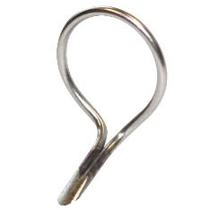
RSFX | 1 | 0.024 | 0.187 | 0.24 | 0.09 | 0.24 | N/A | N/A | 0.25 | Swage or Grind | "X" Suffix Designates 0.004" Larger Wire Diameter
RSFX | 2 | 0.024 | 0.235 | 0.28 | 0.12 | 0.29 | N/A | N/A | 0.25 | Swage or Grind
RSFX | 3 | 0.026 | 0.250 | 0.30 | 0.13 | 0.31 | N/A | N/A | 0.25 | Swage
RSFX | 4 | 0.028 | 0.260 | 0.32 | 0.13 | 0.32 | N/A | N/A | 0.30 | Swage
RSFX | 5 | 0.030 | 0.280 | 0.34 | 0.14 | 0.35 | N/A | N/A | 0.30 | Swage
RSFX | 6 | 0.032 | 0.312 | 0.38 | 0.16 | 0.38 | N/A | N/A | 0.30 | Swage

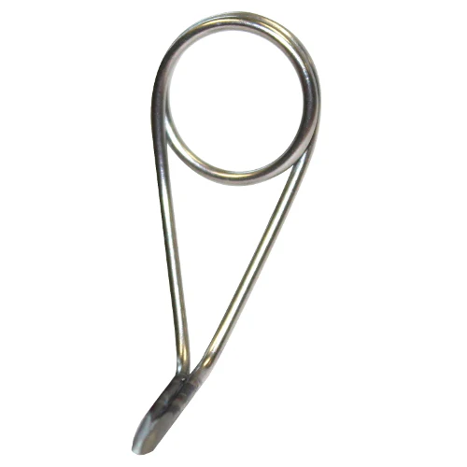
SKU | Size | Wire Guage (Inches) | Loop Dia. I.D. (Inches) | Loop Dia. O.D. (Inches) | Height from CL of Loop off Blank (Inches) | Height from Top of Loop off Blank (Inches) | Pitch (Inches) Start of Loop to Finish of Loop | Overall Length (Inches) | Leg Length (Inches) | Foot Preparation
RSPG | 6 | 0.022 | 0.158 | 0.20 | 0.18 | 0.28 | N/A | N/A | 0.32 | Swage
RSPG | 7 | 0.026 | 0.187 | 0.24 | 0.19 | 0.31 | N/A | N/A | 0.35 | Swage
RSPG | 8L | 0.030 | 0.210 | 0.27 | 0.28 | 0.42 | N/A | N/A | 0.38 | Swage
RSPG | 8 | 0.030 | 0.210 | 0.27 | 0.38 | 0.51 | N/A | N/A | 0.38 | Swage
RSPG | 10 | 0.037 | 0.280 | 0.35 | 0.50 | 0.68 | N/A | N/A | 0.42 | Swage
RSPG | 12 | 0.037 | 0.343 | 0.42 | 0.63 | 0.83 | N/A | N/A | 0.50 | Swage
RSPG | 16 | 0.045 | 0.413 | 0.50 | 0.75 | 1.00 | N/A | N/A | 0.60 | Grind
RSPG | 20 | 0.055 | 0.548 | 0.66 | 0.88 | 1.19 | N/A | N/A | 0.70 | Grind
RSPG | 25 | 0.060 | 0.724 | 0.84 | 1.00 | 1.42 | N/A | N/A | 0.80 | Grind
RSPG | 30 | 0.060 | 0.905 | 1.03 | 1.25 | 1.76 | N/A | N/A | 0.90 | Grind
RSPG | 40 | 0.070 | 1.180 | 1.32 | 1.50 | 2.16 | N/A | N/A | 1.12 | Grind

RSPG MICRO GUIDES
RSPGM | 4.0 | 0.020 | 0.074 | 0.11 | 0.11 | 0.17 | N/A | N/A | 0.21 | Swage
RSPGM | 4.5 | 0.020 | 0.090 | 0.13 | 0.14 | 0.20 | N/A | N/A | 0.21 | Swage
RSPGM | 5.0 | 0.024 | 0.112 | 0.16 | 0.15 | 0.23 | N/A | N/A | 0.21 | Swage

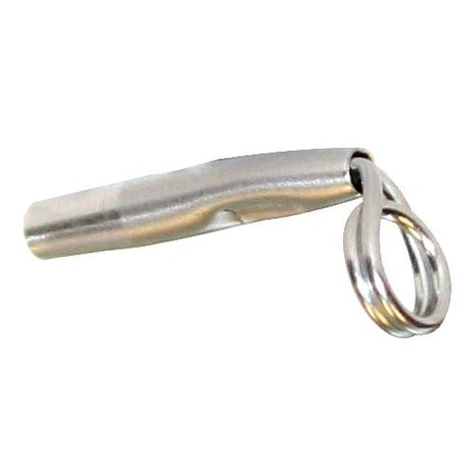
TIP TOPS
SKU | Size | Wire Guage (Inches) | Wire Loop Inside Diameter (Inches) | Stainless Steel Tube Diameter (Inches) | Stainless Steel Tube Length (Inches) | Rod Blank Tip Diameter (Inches) | Stainless Steel Tube Double Wrap Loop
RSCT | 3.5 | 0.030 | 0.156 | 0.103 | 0.63 | 0.055
RSCT | 4.0 | 0.030 | 0.156 | 0.110 | 0.63 | 0.062
RSCT | 4.5 | 0.030 | 0.156 | 0.110 | 0.63 | 0.070
RSCT | 4.5 8L | 0.030 | 0.210 | 0.110 | 0.63 | 0.070
RSCT | 5.0 | 0.030 | 0.156 | 0.117 | 0.63 | 0.078
RSCT | 5.5 | 0.030 | 0.156 | 0.125 | 0.63 | 0.086
RSCT | 5.5 8L | 0.030 | 0.210 | 0.125 | 0.63 | 0.086
RSCT | 6.0 | 0.030 | 0.156 | 0.125 | 0.63 | 0.094
RSCT | 6.5 | 0.035 | 0.156 | 0.132 | 0.73 | 0.102
RSCT | 7.0 | 0.035 | 0.156 | 0.140 | 0.73 | 0.110

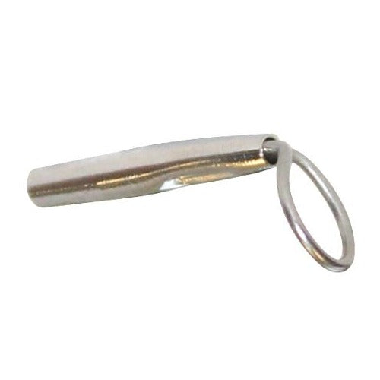
RTTUL | 3.5 S | 0.030 | 0.210 | 0.103 | 0.63 | 0.055 | Stainless Steel Tube Single Wrap Loop
RTTUL | 3.5 L | 0.030 | 0.285 | 0.103 | 0.63 | 0.055
RTTUL | 3.5 XL | 0.030 | 0.320 | 0.103 | 0.63 | 0.055
RTTUL | 4.0 S | 0.030 | 0.210 | 0.110 | 0.63 | 0.062
RTTUL | 4.0 L | 0.030 | 0.285 | 0.110 | 0.63 | 0.062
RTTUL | 4.0 XL | 0.030 | 0.320 | 0.110 | 0.63 | 0.062
RTTUL | 4.5 S | 0.030 | 0.210 | 0.110 | 0.63 | 0.070
RTTUL | 4.5 L | 0.030 | 0.285 | 0.110 | 0.63 | 0.070
RTTUL | 4.5 XL | 0.030 | 0.320 | 0.110 | 0.63 | 0.070
RTTUL | 5.0 S | 0.030 | 0.210 | 0.117 | 0.63 | 0.078
RTTUL | 5.0 L | 0.030 | 0.285 | 0.117 | 0.63 | 0.078
RTTUL | 5.0 XL | 0.030 | 0.320 | 0.117 | 0.63 | 0.078
RTTUL | 5.5 S | 0.030 | 0.210 | 0.125 | 0.63 | 0.086
RTTUL | 5.5 L | 0.030 | 0.285 | 0.125 | 0.63 | 0.086
RTTUL | 5.5 XL | 0.030 | 0.320 | 0.125 | 0.63 | 0.086
RTTUL | 6.0 S | 0.030 | 0.210 | 0.125 | 0.63 | 0.094
RTTUL | 6.0 L | 0.030 | 0.285 | 0.125 | 0.63 | 0.094
RTTUL | 6.0 XL | 0.030 | 0.320 | 0.125 | 0.63 | 0.094

CERECOIL
CERECOIL DATA SPECIFICATIONS

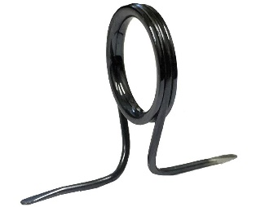
SKU | Size | Wire Guage (Inches) | Ceramic Ring I.D. (Inches) | Ceramic Ring O.D. (Inches) | Height from CL Ceramic Ring off Blank (Inches) | Height from Top of Ceramic Ring off Blank (Inches) | Pitch (Inches) Start of Loop to Finish of Loop | Foot to Foot Overall Length (Inches) | Foot Swage Length Each Foot (Inches) | Foot Preparation
CSG | 8 | 0.030 | 0.24 | 0.33 | 0.38 | 0.55 | 0.31 | 0.79 | 0.14 | Swage
CSG | 10 | 0.037 | 0.32 | 0.44 | 0.45 | 0.68 | 0.35 | 0.91 | 0.16 | Swage
CSG | 12 | 0.037 | 0.39 | 0.51 | 0.49 | 0.74 | 0.39 | 1.03 | 0.18 | Swage
CSG | 16 | 0.045 | 0.48 | 0.61 | 0.64 | 0.96 | 0.47 | 1.26 | 0.32 | Swage
CSG | 20 | 0.055 | 0.63 | 0.79 | 0.75 | 1.15 | 0.71 | 1.65 | 0.35 | Swage
CSG | 25 | 0.060 | 0.83 | 1.02 | 0.89 | 1.41 | 0.87 | 2.13 | 0.44 | Swage

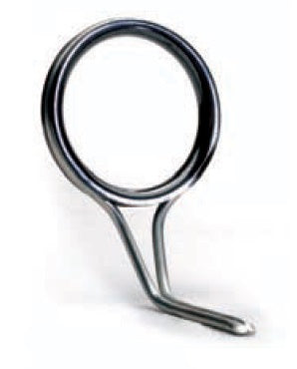
 |  |  |  |  |  |  |  |  |  |  | *Black Pearl PVD pictured
SKU | Size | Wire Guage (Inches) | Ceramic Ring I.D. (Inches) | Ceramic Ring O.D. (Inches) | Height from CL Ceramic Ring off Blank (Inches) | Height from Top of Ceramic Ring off Blank (Inches) | Leg Length (Inches) | Foot Preparation
CSPG | 5 | 0.022 | 0.13 | 0.22 | 0.18 | 0.28 | 0.32 | Swage
CSPG | 6 | 0.022 | 0.18 | 0.26 | 0.18 | 0.31 | 0.32 | Swage
CSPG | 7 | 0.026 | 0.22 | 0.30 | 0.19 | 0.34 | 0.35 | Swage
CSPG | 8L | 0.030 | 0.24 | 0.33 | 0.28 | 0.45 | 0.38 | Swage
CSPG | 8 | 0.030 | 0.24 | 0.33 | 0.38 | 0.55 | 0.38 | Swage
CSPG | 10 | 0.037 | 0.32 | 0.44 | 0.50 | 0.73 | 0.42 | Swage
CSPG | 12 | 0.037 | 0.39 | 0.51 | 0.63 | 0.89 | 0.50 | Swage
CSPG | 16 | 0.045 | 0.48 | 0.61 | 0.76 | 1.07 | 0.60 | Grind
CSPG | 20 | 0.055 | 0.63 | 0.79 | 0.89 | 1.29 | 0.70 | Grind
CSPG | 25 | 0.060 | 0.83 | 1.02 | 1.01 | 1.53 | 0.80 | Grind
CSPG | 30 | 0.060 | 1.06 | 1.26 | 1.25 | 1.89 | 0.90 | Grind

